saldi - 2025-09-12T124146.0 (2)
 |  | codpro | product_descri | PAIA | Whls | RRP
DONNA |  | WAYYNI330001W6 | BLACK | 48 |  | 89.90 € | 36.00 €
 | 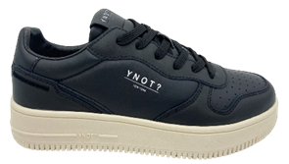 | WAYYNI330001W8 | BLACK | 56 |  | 89.90 € | 36.00 €
DONNA |  | WAYYNI330002W10 | WHITE | 50 |  | 89.90 € | 36.00 €
 |  | WAYYNI330002W6 | WHITE | 18 |  | 89.90 € | 36.00 €
 | 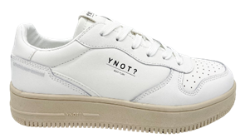 | WAYYNI330002W8 | WHITE | 120 |  | 89.90 € | 36.00 €
DONNA |  | WAYYNI330101CHW6 | BLACK CHARMS | 12 |  | 89.90 € | 36.00 €
 | 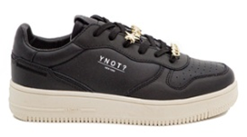 | WAYYNI330101CHW8 | BLACK CHARMS | 120 |  | 89.90 € | 36.00 €
DONNA |  | WAYYNI330102CHW10 | WHITE CHARMS | 120 |  | 89.90 € | 36.00 €
 |  | WAYYNI330102CHW6 | WHITE CHARMS | 42 |  | 89.90 € | 36.00 €
 | 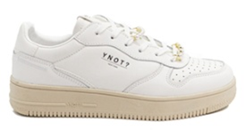 | WAYYNI330102CHW8 | WHITE CHARMS | 160 |  | 89.90 € | 36.00 €
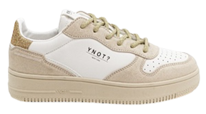
DONNA |  | WAYYNI3305GTPL35 | WHITE GLITTER PLATINUM | 6 |  | 89.90 € | 36.00 €
 |  | WAYYNI3305GTPL36 | WHITE GLITTER PLATINUM | 13 |  | 89.90 € | 36.00 €
 |  | WAYYNI3305GTPL37 | WHITE GLITTER PLATINUM | 19 |  | 89.90 € | 36.00 €
 |  | WAYYNI3305GTPL38 | WHITE GLITTER PLATINUM | 26 |  | 89.90 € | 36.00 €
 |  | WAYYNI3305GTPL39 | WHITE GLITTER PLATINUM | 20 |  | 89.90 € | 36.00 €
 |  | WAYYNI3305GTPL40 | WHITE GLITTER PLATINUM | 13 |  | 89.90 € | 36.00 €
 |  | WAYYNI3305GTPL41 | WHITE GLITTER PLATINUM | 7 |  | 89.90 € | 36.00 €
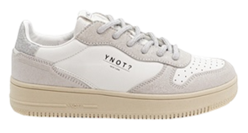
DONNA |  | WAYYNI3305GTSL35 | WHITE GLITTER SILVER | 2 |  | 89.90 € | 36.00 €
 |  | WAYYNI3305GTSL36 | WHITE GLITTER SILVER | 2 |  | 89.90 € | 36.00 €
 |  | WAYYNI3305GTSL37 | WHITE GLITTER SILVER | 2 |  | 89.90 € | 36.00 €
 |  | WAYYNI3305GTSL38 | WHITE GLITTER SILVER | 2 |  | 89.90 € | 36.00 €
 |  | WAYYNI3305GTSL39 | WHITE GLITTER SILVER | 2 |  | 89.90 € | 36.00 €
 |  | WAYYNI3305GTSL41 | WHITE GLITTER SILVER | 2 |  | 89.90 € | 36.00 €
DONNA |  | WAYYNI33100257W10 | WHITE NUDE | 30 |  | 89.90 € | 36.00 €
 |  | WAYYNI33100257W6 | WHITE NUDE | 84 |  | 89.90 € | 36.00 €
 | 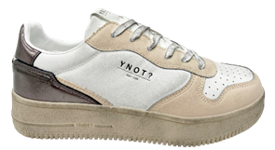 | WAYYNI33100257W8 | WHITE NUDE | 160 |  | 89.90 € | 36.00 €
DONNA | 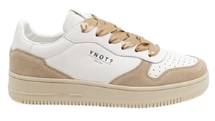 | WAYYNI33200206W6 | WHITE PAPYRUS | 156 |  | 89.90 € | 36.00 €
DONNA | 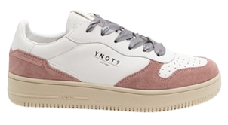 | WAYYNI33200258W6 | WHITE CHIFFON | 102 |  | 89.90 € | 36.00 €
DONNA |  | WAYYNI33300201W8* | WHITE BLACK | 16 |  | 89.90 € | 36.00 €
DONNA | 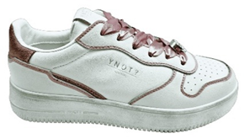 | WAYYNI33300268W8* | WHITE PASSION | 16 |  | 89.90 € | 36.00 €
DONNA |  | WAYYNI335002W10 | WHITE | 120 |  | 89.90 € | 36.00 €
 |  | WAYYNI335002W6 | WHITE | 48 |  | 89.90 € | 36.00 €
 | 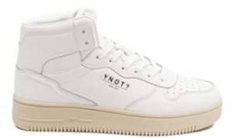 | WAYYNI335002W8 | WHITE | 64 |  | 89.90 € | 36.00 €
DONNA |  | WAYYNI335102CHW10 | WHITE CHARMS | 30 |  | 89.90 € | 36.00 €
 |  | WAYYNI335102CHW6 | WHITE CHARMS | 48 |  | 89.90 € | 36.00 €
 | 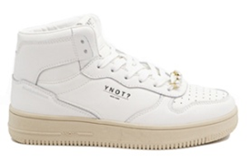 | WAYYNI335102CHW8 | WHITE CHARMS | 56 |  | 89.90 € | 36.00 €
DONNA |  | WAYYNP33000102W6 | NEW YORK BLACK WHITE - ASS.W6 | 168 |  | 89.90 € | 36.00 €
DONNA |  | WAYYNP3310PLW6 | NEW YORK PLATINUM - ASS.W6 | 180 |  | 89.90 € | 36.00 €
DONNA |  | WAYYNP33300262W6 | NEW YORK WHITE PINK - ASS.W6 | 18 |  | 89.90 € | 36.00 €
UOMO |  | WAYYNI371001M6 | BLACK | 48 |  | 99.00 € | 39.00 €
 |  | WAYYNI371001M8 | BLACK | 32 |  | 99.00 € | 39.00 €
UOMO | 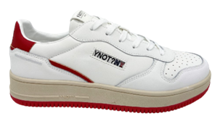 | WAYYNI37100248M6 | WHITE RED | 30 |  | 99.00 € | 39.00 €
UOMO |  | WAYYNI371002C9M6 | WHITE NAVY | 24 |  | 99.00 € | 39.00 €
 | 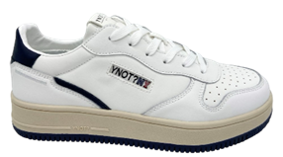 | WAYYNI371002C9M8 | WHITE NAVY | 8 |  | 99.00 € | 39.00 €
UOMO | 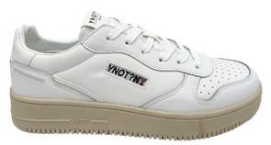 | WAYYNI371002M8 | WHITE | 144 |  | 99.00 € | 39.00 €
UOMO |  | WAYYNI37150248M6 | WHITE RED BLACK | 12 |  | 99.00 € | 39.00 €
UOMO |  | WAYYNI37150280M10 | WHITE BURGUNDY | 180 |  | 99.00 € | 39.00 €
 |  | WAYYNI37150280M6 | WHITE BURGUNDY | 48 |  | 99.00 € | 39.00 €
 | 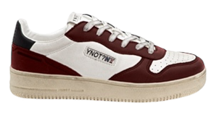 | WAYYNI37150280M8 | WHITE BURGUNDY | 160 |  | 99.00 € | 39.00 €
UOMO |  | WAYYNI37150298M10 | WHITE GREEN LT.GREY | 80 |  | 99.00 € | 39.00 €
 |  | WAYYNI37150298M6 | WHITE GREEN LT.GREY | 66 |  | 99.00 € | 39.00 €
 | 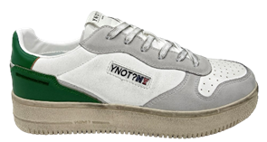 | WAYYNI37150298M8 | WHITE GREEN LT.GREY | 160 |  | 99.00 € | 39.00 €
UOMO |  | WAYYNI371502C9M10 | WHITE NAVY BLACK | 120 |  | 99.00 € | 39.00 €
 |  | WAYYNI371502C9M6 | WHITE NAVY BLACK | 78 |  | 99.00 € | 39.00 €
 |  | WAYYNI371502C9M8 | WHITE NAVY BLACK | 160 |  | 99.00 € | 39.00 €
UOMO |  | WAYYNP37100202M6 | NEW YORK WHITE - ASS.M6 | 54 |  | 99.00 € | 39.00 €
UOMO |  | WAYYNP37100281M6 | NEW YORK WHITE YELLOW - ASS.M6 | 180 |  | 99.00 € | 39.00 €
UOMO |  | WAYYNP37100299M6 | NEW YORK WHITE ELF - ASS.M6 | 180 |  | 99.00 € | 39.00 €

 |  |  |  | 3922

